1
Region | (Multiple Items)
Most Popular Genres in Europe and Asia by Quantity Sold
Row Labels | Sum of Quantity
Most Popular Generes in Europe & Asia bt Quantity Sold
Rock | 1284
Latin | 472
Alternative & Punk | 401
Metal | 366
Jazz | 108
Blues | 92
TV Shows | 78
Pop | 72
R&B/Soul | 69
Drama | 52
Classical | 51
Sci Fi & Fantasy | 39
Alternative | 31
Reggae | 29
Electronica/Dance | 24
Soundtrack | 24
Hip Hop/Rap | 19
Heavy Metal | 15
World | 11
Science Fiction | 9
Easy Listening | 6
Comedy | 5
Bossa Nova | 4
Rock And Roll | 4
Grand Total | 3265

2
Top Artist by Quantity Sold in Europe & Asia
Region | (Multiple Items)
Top Artists by Quantity Sold iTop Artists by Quantity Sold in Europe and
Row Labels | Sum of Quantity
Iron Maiden | 223
U2 | 190
Top Artist by Quantity Sold in Europe & Asia
Led Zeppelin | 150
Metallica | 107
Creedence Clearwater Revival | 78
Lost | 76
Queen | 67
Faith No More | 65
TitÃ£s | 65
Van Halen | 56
Red Hot Chili Peppers | 55
Deep Purple | 52
R.E.M. | 52
Jamiroquai | 50
Smashing Pumpkins | 50
Lenny Kravitz | 47
Kiss | 45
The Who | 44
Pearl Jam | 43
The Tea Party | 41
Various Artists | 41
Battlestar Galactica (Classic) | 39
Chico Buarque | 38
Djavan | 37
Eric Clapton | 37
Os Paralamas Do Sucesso | 36
Ozzy Osbourne | 36
Gene Krupa | 36
Chico Science & NaÃ§Ã£o Zumbi | 36
System Of A Down | 32
Green Day | 32
Guns N' Roses | 32
CÃ¡ssia Eller | 30
Foo Fighters | 29
O TerÃ§o | 28
Elis Regina | 27
Olodum | 27
Caetano Veloso | 25
Heroes | 25
Santana | 25
The Office | 24
Spyro Gyra | 23
Aerosmith | 23
Body Count | 22
The Rolling Stones | 22
Zeca Pagodinho | 21
Cidade Negra | 21
Stevie Ray Vaughan & Double Trouble | 21
James Brown | 21
Stone Temple Pilots | 21
AntÃ´nio Carlos Jobim | 21
AC/DC | 21
LegiÃ£o Urbana | 20
The Black Crowes | 20
Skank | 19
Miles Davis | 19
Bruce Dickinson | 19
The Clash | 18
Buddy Guy | 18
Battlestar Galactica | 18
Marvin Gaye | 18
The Cult | 17
Lulu Santos | 17
R.E.M. Feat. Kate Pearson | 16
Raimundos | 16
Rush | 16
JET | 16
Passengers | 15
Alice In Chains | 15
Marcos Valle | 15
Incognito | 15
House Of Pain | 14
Amy Winehouse | 14
Black Sabbath | 14
Audioslave | 14
Nirvana | 13
Terry Bozzio, Tony Levin & Steve Stevens | 12
Velvet Revolver | 12
Accept | 12
Falamansa | 12
Gilberto Gil | 12
Chris Cornell | 12
VinÃ­cius De Moraes | 12
O Rappa | 11
Ed Motta | 11
Godsmack | 11
Raul Seixas | 11
Milton Nascimento | 11
The Doors | 10
Judas Priest | 10
ClÃ¡udio Zoli | 10
Os Mutantes | 9
Joe Satriani | 9
Jimi Hendrix | 8
Paul D'Ianno | 8
Def Leppard | 8
David Coverdale | 7
Funk Como Le Gusta | 7
Page & Plant | 7
Scorpions | 6
Gonzaguinha | 6
Marisa Monte | 6
MotÃ¶rhead | 6
Marillion | 6
Frank Sinatra | 6
Calexico | 5
Habib KoitÃ© and Bamada | 5
Temple of the Dog | 5
Michele Campanella | 5
Soundgarden | 5
Planet Hemp | 5
Royal Philharmonic Orchestra & Sir Thomas Beecham | 4
Tim Maia | 4
Men At Work | 4
Frank Zappa & Captain Beefheart | 4
Toquinho & VinÃ­cius | 4
Academy of St. Martin in the Fields, Sir Neville Marriner & Thurston Dart | 4
Equale Brass Ensemble, John Eliot Gardiner & Munich Monteverdi Orchestra and Choir | 4
Emerson String Quartet | 4
Apocalyptica | 4
English Concert & Trevor Pinnock | 4
Sir Georg Solti & Wiener Philharmoniker | 4
Julian Bream | 4
Roger Norrington, London Classical Players | 4
BackBeat | 4
Berliner Philharmoniker & Herbert Von Karajan | 3
JoÃ£o Suplicy | 3
Jorge Ben | 3
The 12 Cellists of The Berlin Philharmonic | 3
Jota Quest | 3
MÃ´nica Marianno | 3
UB40 | 3
Alanis Morissette | 3
The Police | 3
MÃ¶tley CrÃ¼e | 3
Pink Floyd | 3
Dread Zeppelin | 2
Black Label Society | 2
Chicago Symphony Orchestra & Fritz Reiner | 2
Dennis Chambers | 2
Yo-Yo Ma | 1
Otto Klemperer & Philharmonia Orchestra | 1
The Posies | 1
Emanuel Ax, Eugene Ormandy & Philadelphia Orchestra | 1
Yehudi Menuhin | 1
Billy Cobham | 1
The King's Singers | 1
Orchestra of The Age of Enlightenment | 1
Aquaman | 1
Grand Total | 3265

3
Region | (Multiple Items)
 | Sales Trends by Genre Over Time (Yearly) in Eurpe & Asia
Sum of Sales | Column Labels
Row Labels | Alternative | Alternative & Punk | Blues | Bossa Nova | Classical | Comedy | Drama | Easy Listening | Electronica/Dance | Heavy Metal | Hip Hop/Rap | Jazz | Latin | Metal | Pop | R&B/Soul | Reggae | Rock | Rock And Roll | Sci Fi & Fantasy | Science Fiction | Soundtrack | TV Shows | World | Grand Total
2008 |  | 83.16 | 7.92 | 3.96 |  |  |  |  | 6.93 | 12.87 |  | 17.82 | 147.51 | 87.12 | 1.98 | 19.8 | 19.8 | 255.42 |  |  |  | 6.93 |  |  | 671.22
2009 | 4.95 | 73.26 |  |  | 30.69 | 9.95 | 25.87 | 5.94 | 2.97 |  |  | 23.76 | 87.12 | 59.4 | 32.67 | 21.78 | 0.99 | 236.61 |  | 9.95 |  | 5.94 | 55.72 | 1.98 | 689.55
2010 | 13.86 | 64.35 | 50.49 |  | 9.9 |  | 27.86 |  | 4.95 |  | 8.91 | 27.72 | 54.45 | 59.4 | 17.82 |  | 4.95 | 247.5 | 3.96 | 61.69 | 11.94 | 10.89 | 43.78 | 4.95 | 729.37
2011 | 11.88 | 78.21 | 14.85 |  | 9.9 |  | 23.88 |  | 8.91 |  | 9.9 | 0.99 | 62.37 | 89.1 | 18.81 | 13.86 |  | 266.31 |  | 5.97 |  |  | 13.93 | 3.96 | 632.83
2012 |  | 98.01 | 17.82 |  |  |  | 25.87 |  |  | 1.98 |  | 36.63 | 115.83 | 67.32 |  | 12.87 | 2.97 | 265.32 |  |  | 5.97 |  | 41.79 |  | 692.38
Grand Total | 30.69 | 396.99 | 91.08 | 3.96 | 50.49 | 9.95 | 103.48 | 5.94 | 23.76 | 14.85 | 18.81 | 106.92 | 467.28 | 362.34 | 71.28 | 68.31 | 28.71 | 1271.16 | 3.96 | 77.61 | 17.91 | 23.76 | 155.22 | 10.89 | 3415.35

 | Alternative | Alternative & Punk | Blues | Bossa Nova | Classical | Comedy | Drama | Easy Listening | Electronica/Dance | Heavy Metal | Hip Hop/Rap | Jazz
2008 |  | 83.16 | 7.92 | 3.96 |  |  |  |  | 6.93 | 12.87 |  | 17.82
2009 | 4.95 | 73.26 |  |  | 30.69 | 9.95 | 25.87 | 5.94 | 2.97 |  |  | 23.76
2010 | 13.86 | 64.35 | 50.49 |  | 9.9 |  | 27.86 |  | 4.95 |  | 8.91 | 27.72
2011 | 11.88 | 78.21 | 14.85 |  | 9.9 |  | 23.88 |  | 8.91 |  | 9.9 | 0.99
2012 |  | 98.01 | 17.82 |  |  |  | 25.87 |  |  | 1.98 |  | 36.63

4
Sales by Country in Europe & Asia
Region | (Multiple Items)

Sales by Country in Eurpe & Asia
Row Labels | Sum of Sales
France | 562.5
Germany | 421.88
United Kingdom | 301.95
Czech Republic | 269.72
India | 210.91
Portugal | 197.05
Hungary | 168.61
Finland | 136.77
Netherlands | 132.78
Ireland | 125.93
Austria | 123.89
Poland | 121.77
Denmark | 112.86
Sweden | 109.93
Italy | 107.91
Norway | 105.96
Spain | 102.96
Belgium | 101.97
Grand Total | 3415.35

Tableau Dashboard
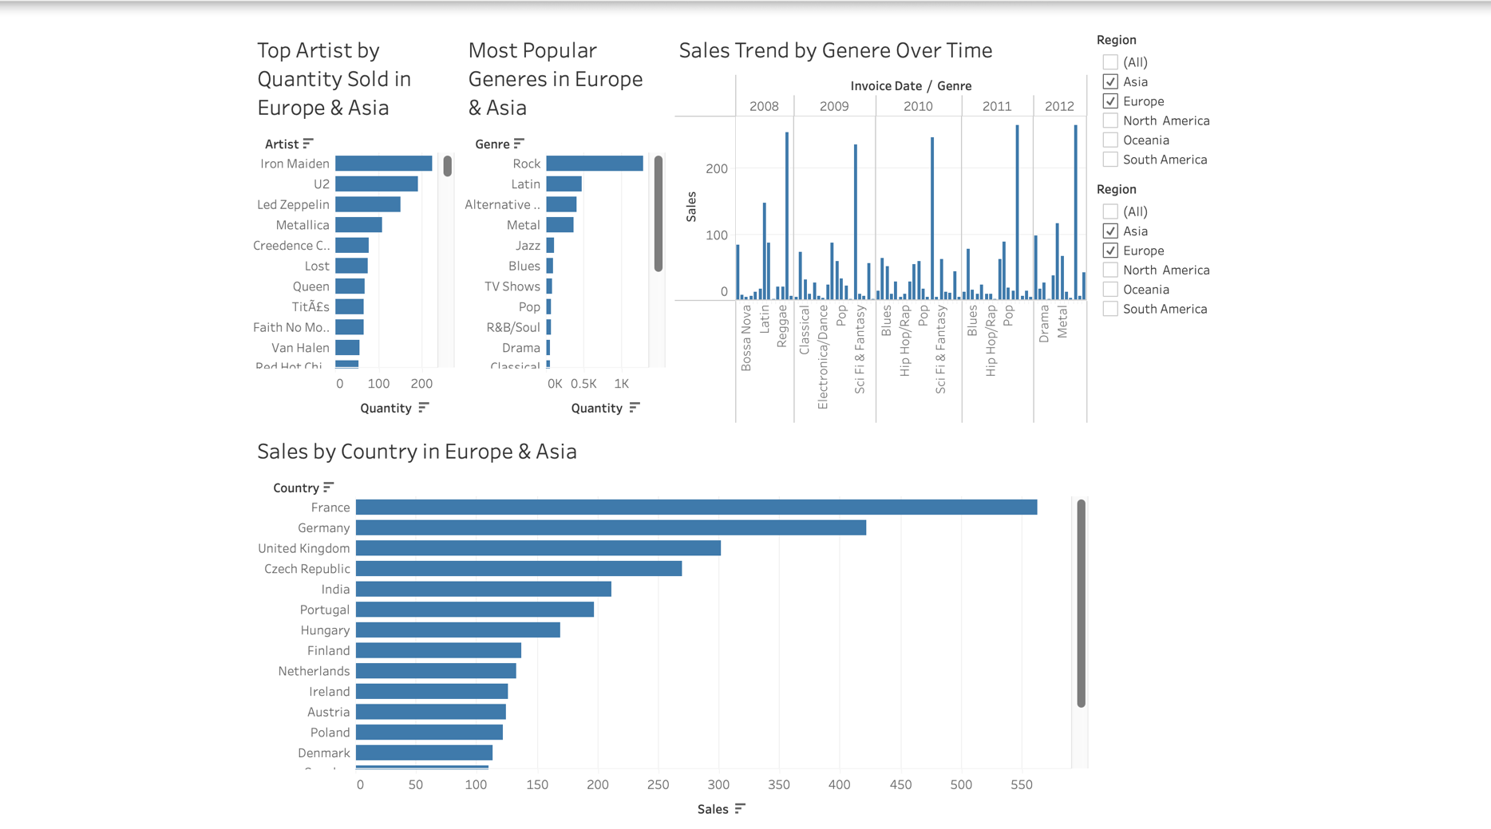
Dashboard (Tableau)

